Distribution
Row Labels | Count of Area
40 | 44
41 | 48
42 | 42
43 | 41
44 | 50
45 | 53
46 | 49
47 | 45
48 | 43
49 | 50
50 | 43
51 | 31
52 | 38
53 | 58
54 | 52
55 | 43
56 | 49
57 | 47
58 | 45
59 | 39
60 | 52
61 | 43
62 | 41
63 | 56
64 | 38
65 | 39
66 | 41
67 | 39
68 | 51
69 | 45
70 | 49
71 | 41
72 | 42
73 | 46
74 | 46
75 | 45
76 | 44
77 | 38
78 | 51
79 | 43
80 | 39
81 | 43
82 | 52
83 | 46
84 | 34
85 | 46
86 | 49
87 | 45
88 | 39
89 | 35
90 | 42
91 | 50
92 | 46
93 | 47
94 | 47
95 | 60
96 | 45
97 | 59
98 | 37
99 | 39
100 | 53
101 | 50
102 | 52
103 | 44
104 | 41
105 | 48
106 | 44
107 | 50
108 | 46
109 | 37
110 | 46
111 | 46
112 | 42
113 | 52
114 | 48
115 | 50
116 | 36
117 | 47
118 | 35
119 | 36
120 | 52
121 | 47
122 | 45
123 | 49
124 | 37
125 | 51
126 | 35
127 | 43
128 | 54
129 | 43
130 | 43
131 | 39
132 | 43
133 | 51
134 | 54
135 | 45
136 | 41
137 | 44
138 | 40
139 | 35
140 | 37
141 | 49
142 | 41
143 | 49
144 | 54
145 | 54
146 | 42
147 | 48
148 | 44
149 | 45
150 | 43
Grand Total | 5000

Sample-Plan
1
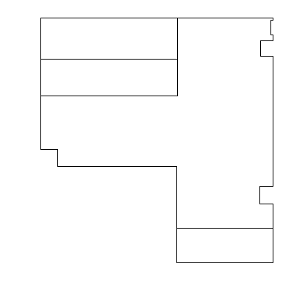

6

5
2

4

3

